Overview
LCA Estimate Model For CCU

 | Beta 0.3 (April 2023)

 | Authors | Emily Nishikawa, PhD Candidate, Department of Chemical and Petroleum Engineering, University of Calgary

 |  | Shah Ahmad, PhD Candidate, Agricultural Life and Environmental Sciences, University of Alberta

 |  | Dr. Adriana Gaona Gomez, Postdoc, Department of Civil & Mineral Engineering, University of Toronto

 |  | Dr. Sylvia Sleep, Postdoc, Department of Chemical and Petroleum Engineering, University of Calgary

 |  | Dr. Heather McLean, Associate Professor, Department of Civil & Mineral Engineering, University of Toronto

 |  | Dr. John Wolodko, Associate Professor, Agricultural Life and Environmental Sciences, University of Alberta

 |  | Dr. Sean McCoy, Assistant Professor, Department of Chemical and Petroleum Engineering, University of Calgary

 |  | Dr. Joule A. Bergerson, Associate Professor, Department of Chemical and Petroleum Engineering, University of Calgary

 | What is LCA Estimate Model for CCU?

 | The LCA Estimate Model for CCU is an Excel-based model that estimates the GHG emissions associated with carbon capture and utilization pathways. Five different pathways are displayed as examples.

 | HOW TO USE

 | 1 - Open 'Main Input & Output' tab
 | 2 - Select the Electricity, Heat, Steam, Hydrogen and Carbon Dioxide sources from the top dropdown menus
 |  | 2.1 - It is possible to change the emission factor of each parameter. To do so, type the new emission factor in the respective green cell, then click on "Use this emission factor" checkbox in the General Assumptions section. All the pathways will be calculated based on the custom emission factor.

 | 3 - The respective LCA results will be displayed in the figures on the right
 | 4 - If desired, parameters may be changed for individual pathways:
 |  | 4.1 - In the sub-section of the respective pathway, input the desired values in the green cells. For each parameter, in case there is an intensity value associated with it, a drop-down menu will be displayed in the right

 |  | 4.2 - To undo the changes, click on Reset Pathway. The amounts will be replaced by the default values, and the emission factors will be changed to those in the General Assumptions

 |  | 4.3 - To undo the changes of all pathways, in the General Assumptions section, click on Reset All button
 | 5 - The figure 2 Emissions per kg of product requires the selection of a specific product
 |  | 5.1 - Select the desired product in the dropdown menu, then the data will be shown automatically
 | 6 - The figures for Avoided Emissions in kg CO2eq/kg Product and Global Reduction Potential show the results across all pathways

 | Brief description of worksheets

 | Main Input & Outputs

 |  | General and Pathways Specific Assumptions may be changed, such as:
 |  |  | Electricity Consumption and Intensity
 |  |  | Heat Consumption and Intensity
 |  |  | Steam Consumption and Intensity
 |  |  | Carbon Dioxide Source

 | Calculation tabs and Summary Table

 | For each pathway there is a specific tab with the calculations, and the Summary Table tab conveys the results that are shown in the Main Input & Output tab.
...
 | Category names |  | Category definition | Example processes | Example end products
 |  |  | Examples include methane and ethane but not methanol, glycerol or coke | Tri-Reforming
 | CO2 Reduction by Hydrogen |  | CO2 is first reduced by a chemical reaction with hydrogen | Reverse Water-Gas Shift (RWGS) | Syngas, hydrocarbon fuels, methanol, dimethyl ether (DME), synthetic natural gas (SNG)
 |  |  | These reactions typically use a catalyst | Methanol Synthesis from CO2 and H2 CO2 Methanation
 | CO2 Reduction Involving Light |  | CO2 is first reduced by a reaction that involves light energy | Photocatalysis | Syngas, hydrocarbons, methanol, hydrogen, other chemical feedstocks
 |  |  | Other forms of energy may also be involved or even predominate. e.g. heat, chemical or electrical energy | Photoelectrocatalysis
 |  |  | Does not include biological photosynthesis
 | Other CO2 Conversions |  | All other methods of CO2 utilization. Includes CO2 absorption and thermal splitting / plasma processes. | Thermal Splitting of CO2, as with the iron oxide redox cycle | Syngas, hydrocarbon fuels, other chemical feedstocks

 | 2 - Use the following framework to determine stage emissions for respective processes in the life cycle of the CCU technologies.

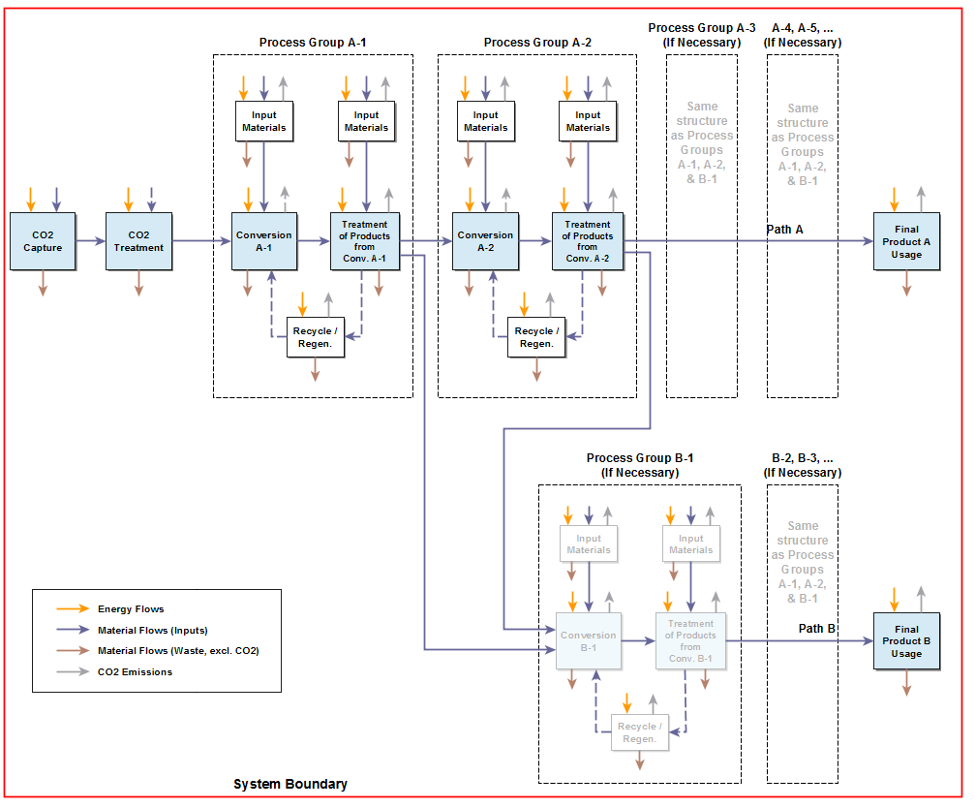

 | Cautions when interpreting results

 | 1 - In Figure 2 in the Main Input & Output tab, the comparison of pathways per kg of Product can only be done for one product at a time, since 1 kg of diesel has a different meaning (or function) than 1 kg of methane from a LCA perspective.

 | 2 - In Figure 2, the incumbent technology is a point estimate of a conventional production method. The emission factors selected in the General Assumptions are applied to the incumbent technologies to maintain consistency. Importantly, even though it is possible to change the intensities of inputs for incumbent fuels , the incumbent technology estimate does not cover the full range of possible technologies that CCU pathways will compete against in the future. Competitors were not considered. This will be expanded in future work.
...

Main Input & Output
MAIN INPUT |  |  |  |  |  |  | RESULTS DASHBOARD
...
Visualize the results instantaneously updated in the Results Dashboard
...
The metric of evaluation presented in Figure 1 is kg CO₂eq emitted per kgCO₂ converted.
This metric is useful to compare different CCU pathways and/or products in terms of CO₂ utilization. However, other metrics of comparison are needed such as per kg of product (see Figure 2).
Using default settings, all emission factors of all pathways are assumed to be the same and are set on the left-hand side of the Main Input & Output tab. However, the intensity can be changed in the top panel (General Assumptions), and individual pathways can be changed below that section.
The legend entries are related to each life cycle phase:
- CO₂ Converted: CO₂ that is converted in each pathway. This value is held constant at -1 in Figure 1.
- CO₂ Capture Process: emissions associated with capturing the CO₂ necessary for each pathway.
- Electrolysis: emissions of the electrolysis process for hydrogen production in the CO₂ Reduction Involving Electricity pathway.
- CO₂ Conversion Process: emissions associated with the CO₂ conversion step.
- End Use: emissions related to the use phase of each end product.
- Net: net emissions of each pathway - summation of the emissions of all life cycle phases.
General Assumptions |  |  |  |  |  |  | 1. Emissions per kg of CO2 CONVERTED
The Results Dashboard are prepopulated with default values and updated in real time.
Results are based on the general assumptions below.
 | CO₂ Converted |  | CO₂ Capture Process |  | Electrolysis |  | CO₂ Conversion Process |  | End Use |  | Net
CWM | -1.000 | CWM | 0.037 | CWM | 0.000 | CWM | 0.007 | CWM | 0.002 | CWM | -0.954
Calcite | -1.000 | Calcite | 0.037 | Calcite | 0.000 | Calcite | 0.013 | Calcite | 0.001 | Calcite | -0.950
Magnesite | -1.000 | Magnesite | 0.037 | Magnesite | 0.000 | Magnesite | 0.023 | Magnesite | 0.001 | Magnesite | -0.939
Methane | -1.000 | Methane | 0.041 | Methane | 0.045 | Methane | 0.253 | Methane | 1.008 | Methane | 0.347
Methanol | -1.000 | Methanol | 0.041 | Methanol | 0.000 | Methanol | 0.272 | Methanol | 1.003 | Methanol | 0.316
Diesel | -1.000 | Diesel | 0.041 | Diesel | 0.000 | Diesel | 0.789 | Diesel | 0.991 | Diesel | 0.821
Ethanol | -1.000 | Ethanol | 0.034 | Ethanol | 0.000 | Ethanol | 0.209 | Ethanol | 1.000 | Ethanol | 0.243
Methane | -1.000 | Methane | 0.041 | Methane | 0.186 | Methane | 0.114 | Methane | 1.000 | Methane | 0.341
Methanol | -1.000 | Methanol | 0.041 | Methanol | 0.135 | Methanol | 0.134 | Methanol | 0.995 | Methanol | 0.305
Diesel | -1.000 | Diesel | 0.041 | Diesel | 0.187 | Diesel | 0.528 | Diesel | 1.000 | Diesel | 0.756
Methanol | -1.000 | Methanol | 0.038 | Methanol | 0.000 | Methanol | 3.293 | Methanol | 0.665 | Methanol | 2.996
Methanol | -1.000 | Methanol | 0.038 | Methanol | 0.000 | Methanol | 1.217 | Methanol | 1.469 | Methanol | 1.724
Methane | -1.000 | Methane | 0.041 | Methane | 0.000 | Methane | 0.300 | Methane | 1.000 | Methane | 0.341
Methanol | -1.000 | Methanol | 0.039 | Methanol | 0.000 | Methanol | 0.549 | Methanol | 0.998 | Methanol | 0.587
Diesel | -1.000 | Diesel | 0.041 | Diesel | 0.000 | Diesel | 0.655 | Diesel | 1.000 | Diesel | 0.696
Methane | -1.000 | Methane | 0.048 | Methane | 0.000 | Methane | 0.298 | Methane | 1.000 | Methane | 0.346
Methanol | -1.000 | Methanol | 0.043 | Methanol | 0.000 | Methanol | 0.515 | Methanol | 1.000 | Methanol | 0.558
Diesel | -1.000 | Diesel | 0.037 | Diesel | 0.000 | Diesel | 0.247 | Diesel | 0.362 |  | -0.355
Diesel | -1.000 | Diesel | 0.037 | Diesel | 0.000 | Diesel | 0.007 | Diesel | 0.870 |  | -0.087

Default emission factors |  |  |  | Custom emission factors

Electricity |  |  |  |  |  | kg CO2eq/kWh

Heat |  |  |  |  |  | kg CO2 eq/kWh

Steam |  |  |  |  |  | kg CO2eq/MJ

Hydrogen |  |  |  |  |  | kg CO2eq/kg H2

CO2 Source |  |  |  |  |  | kg CO2eq/
 |  |  |  |  |  | kg CO2Captured
For more information about emission factors, please refer to the Emission Factors tab.
The additional literature values presented in Figure 1 are not related to uncertainty. They are point estimates based on different studies to demonstrate some of the variability associated with these pathways.

In each CCU pathway box, it is possible to change assumptions for a specific product within that pathway. The current values of relevant inputs related to the product are shown in green cells and can be changed. Changing the input values or the intensity (Emission Factors) will automatically update the figures on the Results Dashboard on the right. To undo the changes and go back to the original values, click on Reset Pathway button on the top right. A list of acronyms is provided in the Acronyms tab.

Pathway: CO2 Mineralization

 | Sub-Pathway: | DMC-W
 | Product: | Calcite |  |  | Emission Factors
 | Electricity | 0.3140 | kWh/kg Calcite |  | Electricity
 | Heat | 0.0342 | kWh/kg Calcite |  | Heat |  | 2. Emissions per kg of Calcite
In Figure 2, the metric of evaluation is kg CO₂eq emitted per kg of product produced by each pathway.
Comparison across products is not allowed in this section, since for example, 1 kg of magnesite is not equivalent to 1 kg of diesel or methane.
The last column in the figure is the net emissions of the incumbent technology.
The incumbent technology is one estimate of a conventional production method. Competitors were not considered.
For consistency, the emission factors defined in the General Assumptions section are applied to the incumbent fuels. Importantly, even though it is possible to change the intensities of inputs for incumbents, the incumbent technology estimate does not cover the full range of possible technologies that CCU pathways will compete against in the future.
 |  |  |  |  | CO2 Source
 |  |  |  |  |  |  |  | Select a Product:
 | CO₂ Converted | CO₂ Capture Process | Electrolysis | CO₂ Conversion Process | End Use | Net
DMC-W | -0.652 | 0.024 | 0.000 | 0.008 | 0.000 | -0.619
- |  |  |  |  |  | 0.820
...
 |  |  |  |  | Electricity
 |  |  |  |  | CO2 Source
...
 |  |  |  |  | Electricity
 |  |  |  |  | CO2 Source
...
 |  |  |  |  | Emission Factors
 |  |  |  |  | Electricity
 |  |  |  |  | CO2 Source

 |  |  |  |  |  |  | 3. Avoided emissions
CCU pathways are compared to the incumbent technologies in Figure 3. Avoided Emissions are calculated as follows:
Avoided Emissions = [(Net Incumbent per kg of product) - (Net CCU per kg of product)]
Thus, if Avoided Emissions result is positive, the CCU pathway has lower net emissions than the incumbent option.
The incumbent technology is one estimate of a conventional production method. Competitors were not considered.
For consistency, the emission factors defined in the General Assumptions section are applied to the incumbent fuels. Importantly, even though it is possible to change the intensities of inputs for incumbents, the incumbent technology estimate does not cover the full range of possible technologies that CCU pathways will compete against in the future.
...
 | Avoided Emissions
CWM | 1.013
Calcite | 1.439
Magnesite | 1.310
Methane | 1.851
Methanol | 1.118
Diesel | 0.584
Ethanol | 2.193
Methane | 1.859
Methanol | 1.129
Diesel | 0.808
Methanol | -4.615
Methanol | -0.056
Methane | 1.860
Methanol | 0.744
Diesel | 0.961
Methane | 1.846
Methanol | 0.785
Diesel | 6.042
Diesel | 3.453
 |  |  |  |  | Electricity
 |  |  |  |  | Heat
 |  |  |  |  | CO2 Source
...
 |  |  |  |  | Emission Factors
 |  |  |  |  | Electricity
 |  |  |  |  | Heat
 |  |  |  |  | CO2 Source
...
 |  |  |  |  | Electricity
 |  |  |  |  | Heat
 |  |  |  |  | CO2 Source
...
 |  |  |  |  | Electricity
 |  |  |  |  | Heat
 |  |  |  |  | CO2 Source
...
 | Global Reduction Potential
CWM | 2.2
Calcite | 3.2
Magnesite | 2.9
Methane | 2.2
Methanol | 0.0
Diesel | 0.3
Ethanol | 0.0
Methane | 2.2
Methanol | 0.0
Diesel | 0.5
Methanol | 0.0
Methanol | 0.0
Methane | 2.2
Methanol | 0.0
Diesel | 0.6
Methane | 2.2
Methanol | 0.0
Diesel | 3.5
Diesel | 2.0
The Global Emission Reduction Potential is an estimate of the amount of avoided emissions of a pathway multiplied by the potential market size of the pathway, as follows:
Global Emissions Reduction Potential = [Avoided Emissions per kg product] x [Market Size]
Pathways that do not result in reduction in emissions, are listed as zero.
The Market Size values used were based on 2015 markets. A market penetration rate of 50% was assumed.
This is an extremely rough estimate of the potential impact of the pathway in a global scale. Future work will employ more sophisticated modelling to estimate market size.
 |  |  |  |  | Electricity |  | 4. Global Reduction Potential
 |  |  |  |  | CO2 Source
...
 |  |  |  |  | Electricity
...
 |  |  |  |  | CO2 Source
...
 |  |  |  |  | Electricity
...
 |  |  |  |  | CO2 Source
...
 |  |  |  |  | Electricity
 |  |  |  |  | CO2 Source
...
 |  |  |  |  | Emission Factors
 |  |  |  |  | Electricity
 |  |  |  |  | Heat
...
 |  |  |  |  | CO2 Source
...
 |  |  |  |  | Electricity
 |  |  |  |  | Heat
 |  |  |  |  | Hydrogen
...
 |  |  |  |  | CO2 Source
...

Reduction by Hydrocarbon
...
 |  | Hydrogen intensity |  |  |  | CO2 Capture Process
0.024 |  | 1 | Electrolysis + low carbon electricity |  | 0.984 | 1 | Direct air capture | 0.037
...
The kg CO₂eq/MJ Product column is currently not shown in the Results Dashboard. However, it is possible to substitute the kg CO₂ eq/kg Product by kg CO₂eq/MJ Product in the Auxiliary table starting in cell AK16, which is the source of Figure 2.
 | kg CO2eq/kg Product |  | kg CO2eq/kg CO2 Converted | kg CO2eq/MJ Product
 | -2.058 |  | -1.000 | -0.102
...
 | 0.078 |  | 0.038 | 0.004
 | 2.045
 | 4.575
 | 0.111
 | 0.005
 | 6.776 |  | 3.293 | 0.337
 | 1.368 |  | 0.665 | 0.068
 | 6.164 |  | 2.996 | 0.307
...

Involving Electricity
...
 |  |  |  |  |  |  | Pink cells are linked to selected options in the Main Input & Output tab and can only be modified in that tab
 |  | Steam intensity |  |  | Hydrogen intensity | CO2 Capture Process
0.024 |  |  |  |  |  | 1 | Direct air capture | 0.037
...
The kg CO₂eq/MJ Product column is currently not shown in the Results Dashboard. However, it is possible to substitute the kg CO₂eq/kg Product by kg CO₂eq/MJ Product in the Auxiliary table starting in cell AK14, which is the source of Figure 2.
 | kg CO2eq/kg Product |  | kg CO2eq/kg CO2 Converted | k gCO2eq/MJ Product
 | -1.364 |  | -1.000 | -0.056
...
 | 0.056 |  | 0.041 | 0.002
...
 | 0.341 |  | 0.250 | 0.014
 | -0.967 |  | -0.709 | -0.039
...
 | kg CO2eq/kg Product |  | kg CO2eq/kg CO2 Converted | k gCO2eq/MJ Product
 | -2.728 |  | -1.000 | -0.055
...
 | 0.113 |  | 0.041 | 0.002
 | 0.674 |  | 0.253 | 0.014
...

Reduction by Hydrogen
...
 |  |  |  |  | Pink cells are linked to selected options in the Main Input & Output tab and can only be modified in that tab
 | Hydrogen intensity |  |  | CO2 Capture Process
0.024 | 1 | Electrolysis + low carbon electricity | 0.984 | 1 | Direct air capture | 0.037
...
The kg CO₂eq/MJ Product column is currently not shown in the Results Dashboard. However, it is possible to substitute the kg CO₂eq/kg Product by kg CO₂eq/MJ Product in the Auxiliary table starting in cell AK14, which is the source of Figure 2.
kgCO2eq/kg Product | kgCO2eq/kg CO2 Converted | kgCO2eq/MJ Product
-3.16 | -1.000 | -0.073
...
0.13 | 0.041 | 0.003
...
2.07 | 0.655 | 0.048
3.160 | 1.000 | 0.073
2.20 | 0.696 | 0.051
...
kg CO2eq/kg Product | kg CO2eq/kg CO2 Converted | kg CO2eq/MJ Product
-2.75 | -1.000 | -0.055
...

Involving Light
...
 | Steam intensity |  |  | CO2 Capture Process
 |  |  |  | 1 | Direct air capture | 0.037
...
The kg CO₂eq/MJ Product column is currently not shown in the Results Dashboard. However, it is possible to substitute the kg CO₂eq/kg Product by kg CO₂eq/MJ Product in the Auxiliary table starting in cell AK14, which is the source of figure 2.
kg CO2eq/kg Product |  | kg CO2eq/kg CO2 Converted | kg CO2eq/MJ Product
-1.368 |  | -1.000 | -0.068
...
0.059 |  | 0.043 | 0.003
...
0.705 |  | 0.515 | 0.035 | Literature range |  | kg CO2eq/kg CO2 Converted
1.368 |  | 1.000 | 0.068 |  |  | Baseline | Low Carbon | High Carbon
0.764 |  | 0.558 | 0.038 |  | Trudewind et al. (2014b) | 0.385
...

Bioconversion
...
 | Heat intensity |  |  |  | Steam intensity |  |  | Hydrogen intensity |  |  | CO2 Capture Process
0.024 | 1 | Electrical heater + renewable | 0.024 |  |  |  |  |  |  |  | 1 | Direct air capture | 0.037 | Auxiliary table
 |  |  |  |  |  |  |  |  |  |  |  |  |  | Category
 |  |  |  |  |  |  |  |  |  |  |  |  |  | CO2 Bioconversion
 |  |  |  |  |  |  |  |  |  |  |  |  |  | CO2 Bioconversion
...
The kg CO₂eq/MJ Product column is currently not shown in the Results Dashboard. However, it is possible to substitute the k gCO₂eq/kg Product by kg CO₂ eq/MJ Product in the Auxiliary table starting in cell AK11, which is the source of Figure 2.
...
 | kg CO2eq/kg Product |  | kg CO2eq/kg CO2 Converted | kg CO2eq/MJ Product
 | -8.125 |  | -1.000 | -0.188
...
 | 0.301 |  | 0.037 | 0.007
 | 0.146 |  |  |  |  | Literature range |  | kg CO2eq/kg CO2 Converted |  |  | kg CO2eq/kg Product
 | 0.000 |  |  |  |  |  |  | Baseline | Low Carbon | High Carbon | Baseline | Low Carbon | High Carbon
 | 1.857 |  |  |  |  |  | Collet et al. (2014) | 1.9269005848
 |  |  |  |  |  |  | Torres et al. (2013) | 0
 | 2.003 |  | 0.247 | 0.046 |  |  | Manganaro and Lawal (2016) | 0.6432748538
 | 2.940 |  | 0.362 | 0.068
 | -2.881 |  | -0.355 | -0.067
...

Mineralization
...
kg CO2eq/kg CO2 captured |  | 0.024 | 0.037
kwh/kg Calcite |  | 0.008 |  | Literature range | kg CO2eq/kg CO2 Converted |  |  | kg CO2eq/kg Product
kwh/kg Calcite |  | 0.001 |  |  | Baseline | Low Carbon | High Carbon | Baseline | Low Carbon | High Carbon
 |  |  |  |  | -0.588 | -0.981 | 0.199 | -0.413 | -0.665 | 0.111

 |  | 0.008 | 0.013
 |  | 0.000 | 0.00064
 |  | -0.619 | -0.950
...
These end use values were modeled differently and it is not possible to include the calculations in this spreadsheet. Thus, static results are referenced and depend on the electricity emission factor.
 | Low carbon end use | 0.00042 | 0.00064
 | NG end use | 0.00043 | 0.00066
 | High carbon end use | 0.00046 | 0.00070
...
Unit |  | kg CO2eq/kg Product | kg CO2eq/kg CO2 Converted
kg CO2conv/kg Calcite |  | -0.202 | -1.000

kg CO2eq/kg CO2 captured |  | 0.007 | 0.037
kwh/kg CWM |  | 0.001 | 0.007 | Literature range | kg CO2eq/kg CO2 Converted |  |  | kg CO2eq/kg Product
 |  |  |  |  | Baseline | Low Carbon | High Carbon | Baseline | Low Carbon | High Carbon
...

Incumbents
...
 |  | Steam Intensity
Electrolysis + low carbon electricity | 0.984 | 1 | Geothermal | 0.00168
...
In this section, the emissions of the production of fuels, were broken down and the emissions from electricity/hydrogen/heat were isolated from the rest in order to apply the same emission factors selected by the user in General Assumptions (in the Main Input & Output tab).
In the calculation of incumbents emissions of fuels, the boundaries were kept consistent with those for the CCU technologies, i.e. distribution and storage were not included in the fixed production emissions and the combustion was assumed to take place at the gate.
For methane, natural gas was considered a proxy, since the incumbent technology chosen was methane production from natural gas extraction.
The details of calculations may be found in the Documentation.
...
from SMR and hydrogen
from Residual oil/SCO, Refinery still gas and butane
from Petcoke
...

